Sample Report
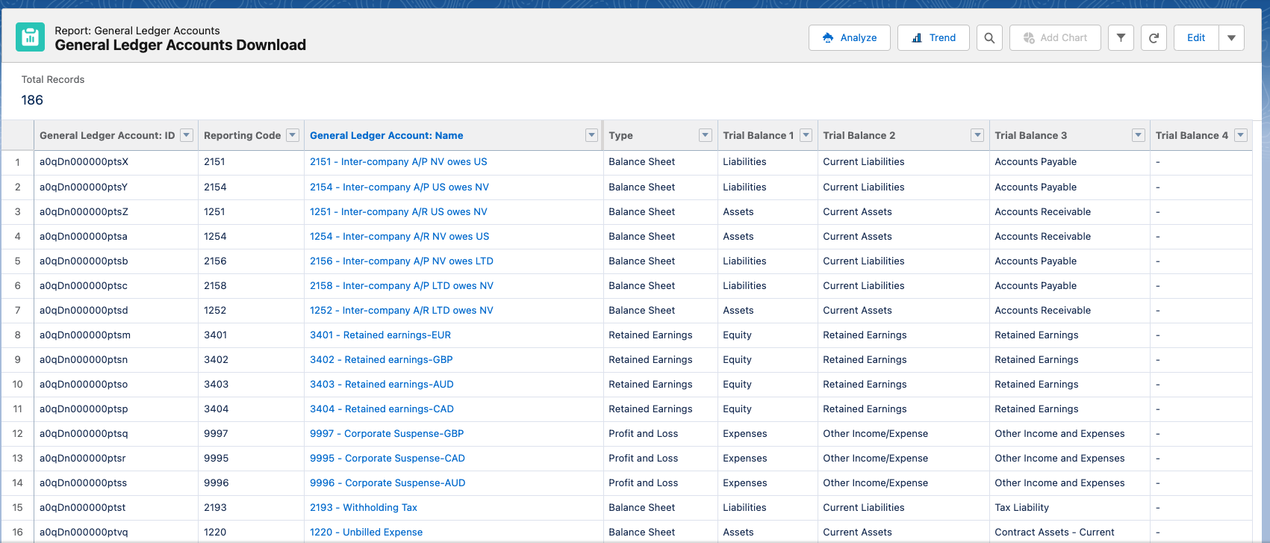
Simple report - the reporting code is for reference only as you cannot update it

